Sheet1
电压传输特性曲线
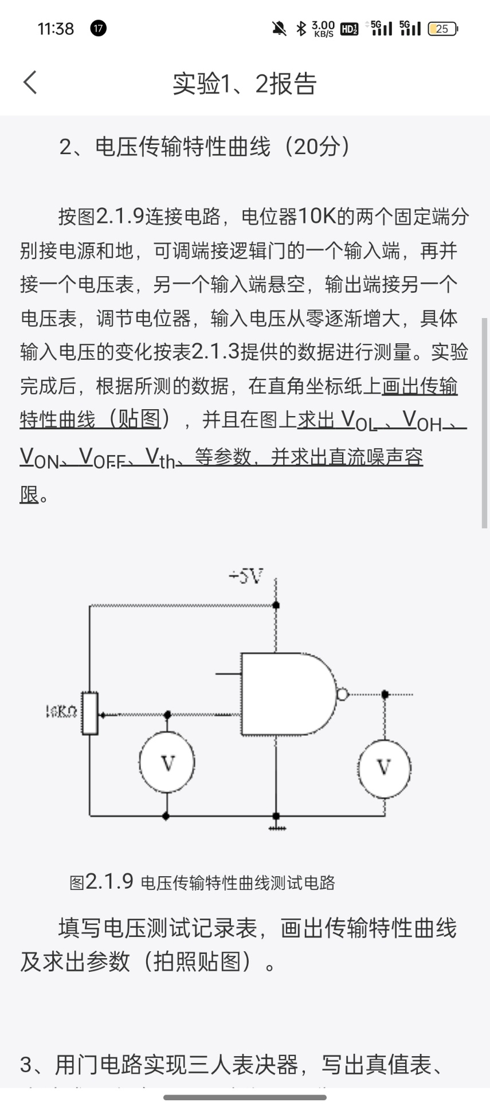
V1 | V0
0 | 4.01
0.3 | 3.86
0.5 | 3.73
VOH=4.09V
0.85 | 3.4
VOFF=0.8V
0.9 | 3.2
0.95 | 2.68
1 | 2.37
VTH=1.0V
1.05 | 1.68
1.1 | 0.18
1.15 | 0.16
1.2 | 0.13
1.3 | 0.13
1.4 | 0.13
1.5 | 0.13
VON=1.1V
VOL=0.13V

低电平直流噪声容限VNL=0.8V-0.18V=0.62V
高电平直流噪声容限VNH=2.68V-1.1V=1.58V

